01
程序加载的过程：

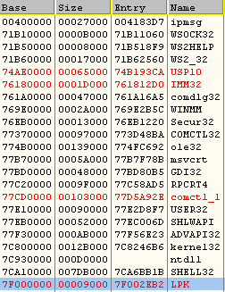
00000000

400000 | 大小为ImageSize
 | 27000

10000000
20000000
71B10000 | ker32

71B50000

800000000

 | 高2G 内核使用

FFFFFFFF

特别说明：

1、一般情况下，EXE都是可以按照ImageBase的地址进行加载的.因为Exe拥有自己独立的4GB 的虚拟内存空间
但DLL 不是 DLL是有EXE使用它，才加载到相关EXE的进程空间的.
exe的重定向表被擦除了，也没影响。

2、为了提高搜索的速度，模块间地址也是要对齐的 模块地址对齐为10000H 也就是64K

03
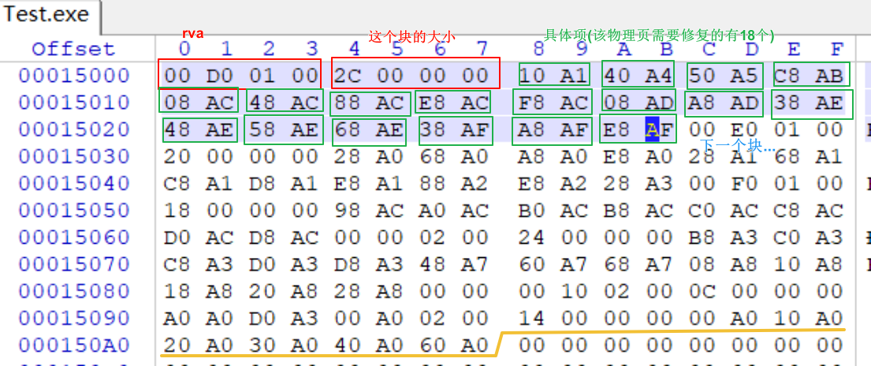
重定位表的定位：

数据目录项的第6个结构，就是重定位表.

typedef struct _IMAGE_DATA_DIRECTORY {
DWORD VirtualAddress;
DWORD Size;
} IMAGE_DATA_DIRECTORY, *PIMAGE_DATA_DIRECTORY;

 | RVA转FOA

typedef struct _IMAGE_BASE_RELOCATION {
DWORD VirtualAddress;
DWORD SizeOfBlock;
} IMAGE_BASE_RELOCATION;
typedef IMAGE_BASE_RELOCATION ，* PIMAGE_BASE_RELOCATION;

 |  |  |  |  | 8000

 |  |  |  |  | 12 | 23 | RVA
 |  |  |  |  | 34 | 45
VirtualAddress 4字节 X |  |  |  | 解析说明：
SizeOfBlock 4字节 |  | Y
0011101010101010 |  | 0011101010101010 | 第1块 | 1、通过IMAGE_DATA_DIRECTORY结构的VirtualAddress
0011101010101010 |  | 0011101010101010 |  | 属性 找到第一个IMAGE_BASE_RELOCATION(也就是第一块数据，每一块数据对应一个物理页)，
 |  |  |  | 这个结构后面跟着两个字节的数据，用于记录这个物理页中需要修改的数据的偏移地址。
VirtualAddress 4字节
SizeOfBlock 4字节 |  |  | 第2块 | 2、判断一共有几块数据：

 |  |  |  | 最后一个结构的VirtualAddress与SizeOfBlock都为0
VirtualAddress 4字节
SizeOfBlock 4字节 |  |  | 第3块 | 3、具体项 宽度：2字节

 |  |  |  | 内存中的页大小是1000H 也就是说2的12次方 就可以表示
VirtualAddress 4字节 值为0 |  |  | 结束标记 | 一个页内所有的偏移地址 具体项的宽度是16位，高四位
SizeOfBlock 4字节 |  | 值为0 |  | 代表类型：值为3(64位是10) 代表的是需要修改的数据 值为0代表的是
 |  |  |  | 用于数据对齐的数据，可以不用修改.也就是说 我们只关注
 |  |  |  | 高4位的值为3的就可以了.

 |  |  |  | 4、VirtualAddress 宽度：4字节

 |  |  |  | 当前这一个块的数据，每一个低12位的值+VirtualAddress 才是
 |  |  |  | 真正需要修复的数据的RVA

 |  |  |  | 真正的RVA = VirtualAddress + 具体项的低12位

 |  |  |  | 5、SizeOfBlock 宽度：4字节

 |  |  |  | 当前块的总大小(这个结构体_IMAGE_BASE_RELOCATION的开始到下一个该结构体)

 |  |  |  | 具体项的数量 = (SizeOfBlock - 8)/2

实战分析
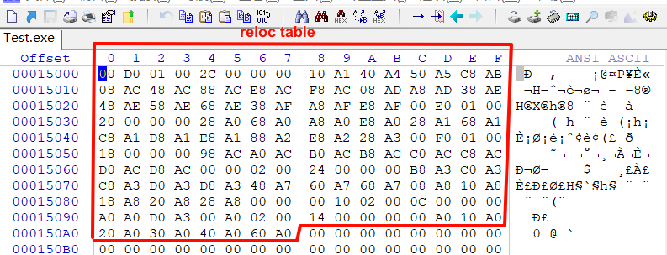

第一个要修复的物理页中的绝对地址

